BUG-001
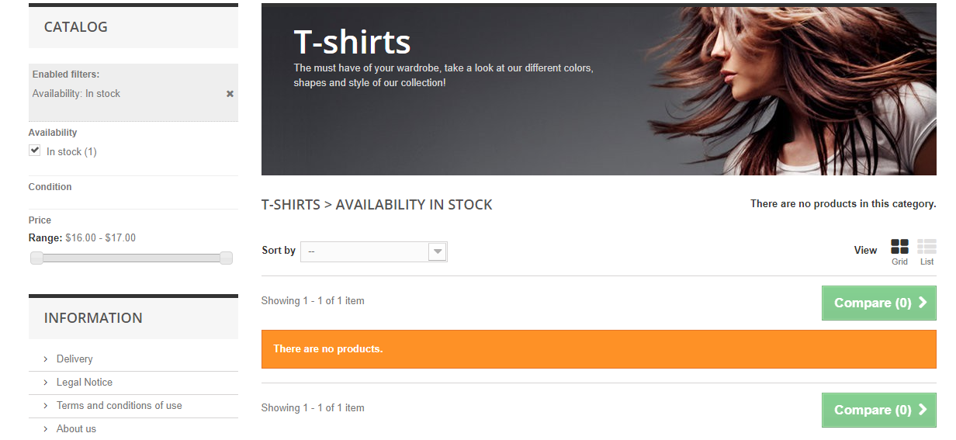
BUG ID | BUG-001
Title | Availability filter not working as expected
Severity | Medium
Priority | Medium
Step to Reproduce: | 1. Open web page (http://automationpractice.com) 2. Click 'T-Shirts' Category button 3. Checked 'In Stock' filter in availability category
Result | Expected: There is one product shown Actual: 'There are no products.' message is shown
Note | This bug also happen in another category (Women and Dresses). In 'Women' category, show 4 out of 7. In 'Dresses' category, show 3 out of 5.
Screenshot

